Accuracy
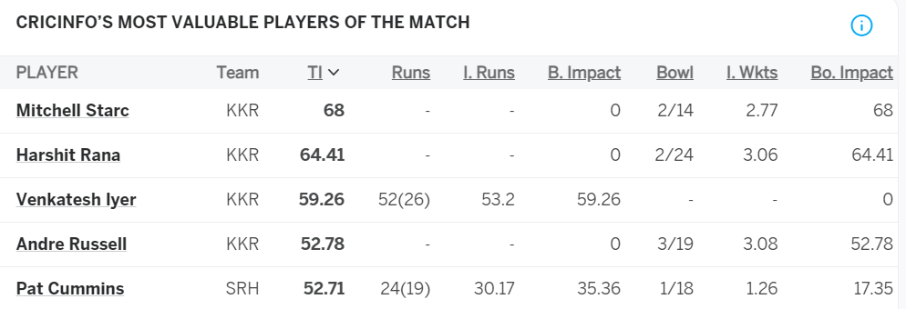

Player | Bat | Bowl | Total_Rating
VR Iyer | 0.70 | 0.00 | 0.70
MA Starc | 0.00 | 0.62 | 0.62
AD Russell | 0.00 | 0.60 | 0.60
Harshit Rana | 0.00 | 0.57 | 0.57
Rahmanullah Gurbaz | 0.49 | 0.00 | 0.49

